Pricebook overview
SME Power Price Book

Valid for contracts with start dates from April 2019 to October 2020.

Breakdown of costs

Choice
Protect

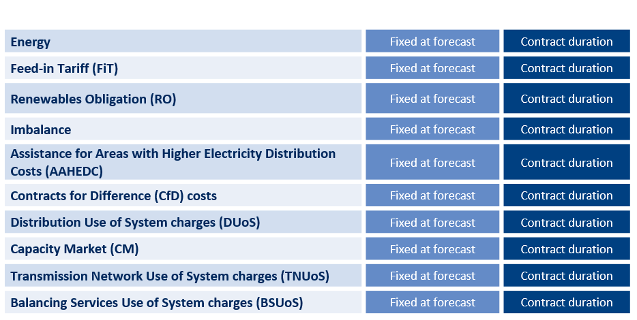

Prices shown do not include VAT.
Prices shown are for 14 days payment method.
Prices are subject to credit approval.
Please see our website for Terms and Conditions.
For information on third party costs, please view our Frequently Asked Questions (FAQs) document.
FAQ
Click here

